Test Report
Default Test Run Report

Project Name |  |  | Project 1
User Name |  |  | MTS
Test Name |  |  | MME 3407_S20 50mm Gage Length ASTM E8 Metals Tension (Extensometer-Crosshead) 47
Test Run Name |  |  | Test Run 1
Test Run Date |  |  | 2/10/2021 10:56:58 AM

Test Run Review Graph
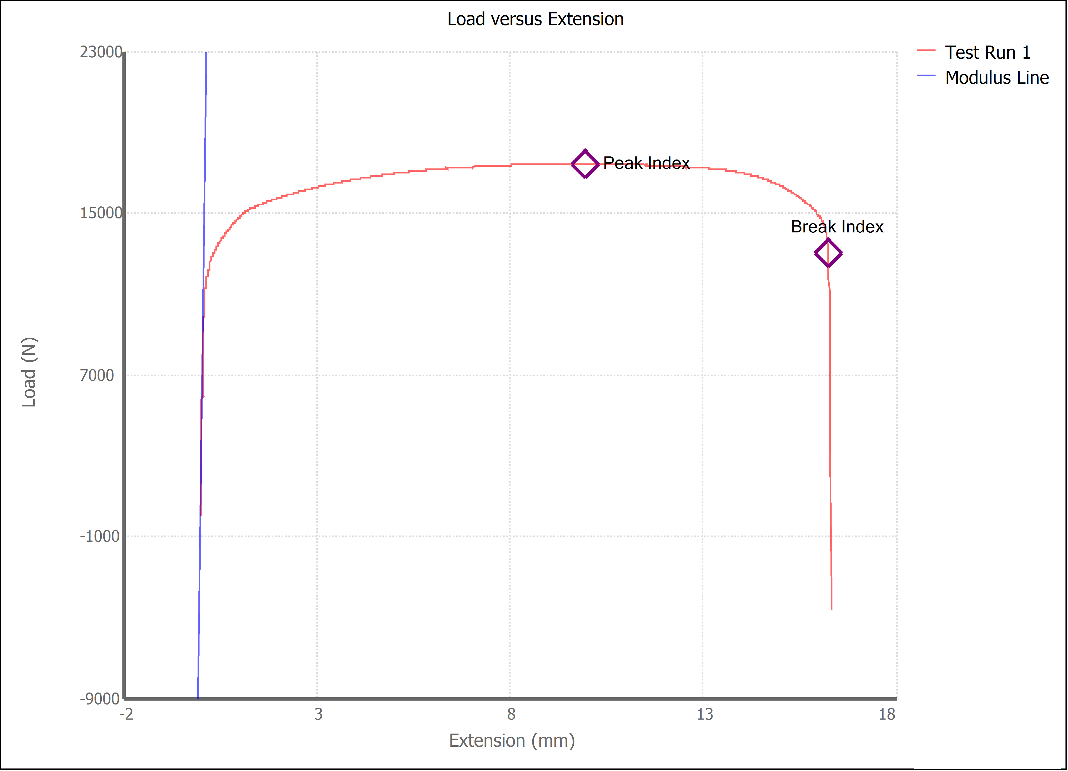

Test Run Results:
Display Name | Value | Unit
Test Run End Reason | Break Detected
Width | 13.480 | mm
Thickness | 3.190 | mm
Final Width | 10.350 | mm
Final Thickness | 2.320 | mm
Test ID
Initial Marked Gage Length | 50.000 | mm
Maximum Force | 3915.202 | lbf
Maximum Stress | 405.0 | MPa
Elongation at Fracture | 27.477 | %
Elongation after Break | 27.980 | %
Upper Yield strength | 396.184 | MPa
Modulus of Elasticity | 182765.012 | MPa
Yield Strength (Offset = 0.2%) | 276.390 | MPa
Yield Strength (EUL = 0.5%) | 291.223 | MPa
Removal Point | 1.250 | mm
Ultimate Tensile Strength | 405.005 | MPa
Reduction of Area | 44.1597 | %
Lower Yield Strength | #NUM! | MPa
Final Marked Gage Length | 63.990 | mm

